Capitalisation
2Q26

 | Debt Breakdown as on 30 Jun 2026 | USD mn | Leverage | Company reported | USD mm
 |  |  |  | Total debentures and lease liabilities | 4,353
 | Current portion | 830.1 |  | Debt to Equity | 0.26x
 | Debentures | 830.1 |  | Debt to EBITDA | 0.61x

 | Non Current portion | 2,449.4
 | Debentures | 2,449.4

 | Leases | 1,073.8
 | Current | 410.0
 | Non curremt | 663.8

 | Total Loans & Borrowings | 4,353.3 | 0.65x
 | Cash and Cash Equivalents | 2,498.1
 | Investments | 98.8
 | Net debt | 1,756.4 | 0.26x
 | Equity | 17,068.0
 | Total Capitalisation | 18,824.4
 | LTM Adjusted EBITDA | 6,718.0
 | check | -

 | Liquidity at the end | USD mn
 | Cash and Cash Equivalents | 2,498.1
 | Investments | 98.8
 | Total debt | 2,596.9

 | Debt Maturity Profile
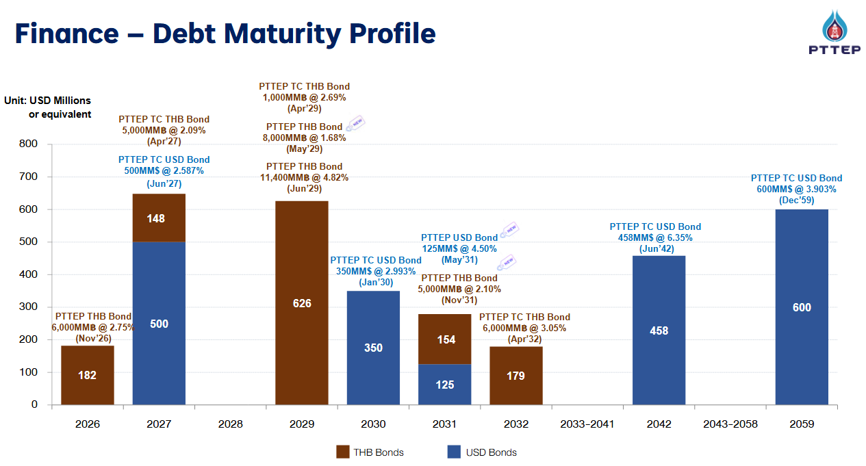

1Q26

 | Debt Breakdown as on 31-Mar-2026 | USD mn | Leverage | Company reported | USD mm
 |  |  |  | Total debentures and lease liabilities | 3,943
 | Current portion | 228.1 |  | Debt to Equity | 0.24x
 | Debentures | 228.1 |  | Debt to EBITDA | 0.64x

 | Non Current portion | 2,603.8
 | Debentures | 2,603.8

 | Leases | 1,111.1
 | Current | 433.0
 | Non curremt | 678.1

 | Total Loans & Borrowings | 3,943.0 | 0.64x
 | Cash and Cash Equivalents | 2,460.4
 | Investments | 71.8
 | Net debt | 1,410.8 | 0.23x
 | Equity | 16,226.3
 | Total Capitalisation | 17,637.1
 | LTM Adjusted EBITDA | 6,161.0
 | check | -

 | Debt Maturity at the end | USD mn
 | 2026 | 227.0
 | 2027 | 648.0
 | 2029 | 379.0
 | 2030 | 350.0
 | 2032 | 179.0
 | 2042 | 458.0
 | 2059 | 600.0
 | Total debt | 2,841.0

 | Liquidity at the end | USD mn
 | Cash and Cash Equivalents | 2,460.4
 | Investments | 71.8
 | Total debt | 2,532.2

FY25

 | Debt Breakdown as on 31-Dec-2025 | USD mn | Leverage | Company reported | USD mm
 |  |  |  | Interest bearing debt | 4,014
 | Current portion | 236.9 |  | Debt to Equity | 0.24x
 | Debentures | 236.9 |  | Debt to EBITDA | 0.65x

 | Non Current portion | 2,631.1
 | Debentures | 2,631.1

 | Leases | 1,146.0
 | Current | 432.0
 | Non curremt | 714.0

 | Total Loans & Borrowings | 4,014.0 | 0.67x
 | Cash and Cash Equivalents | 2,313.8
 | Investments | 121.8
 | Net debt | 1,578.4 | 0.27x
 | Equity | 16,451.1
 | Total Capitalisation | 18,029.6
 | LTM Adjusted EBITDA | 5,956.0
 | check | -

 | Debt Maturity at FY25 | USD mn
 | 2026 | 229.0
 | 2027 | 648.0
 | 2029 | 379.0
 | 2030 | 350.0
 | 2032 | 180.0
 | 2042 | 458.0
 | 2059 | 600.0
 | Total debt | 2,844.0
 | check

 | Liquidity at FY25 | USD mn
 | Cash and Cash Equivalents | 2,313.8
 | Investments | 121.8
 | Total debt | 2,435.6

3Q25

 | Debt Breakdown as on 30-Sep-2025 | USD mn | Leverage | Company reported | USD mm
 |  |  |  | Interest bearing debt | 3,976
 | Current portion | 46.7 |  | Debt to Equity | 0.25x
 | Debentures | 46.7 |  | Debt to EBITDA | 0.64x

 | Non Current portion | 2,799.0
 | Debentures | 2,799.0

 | Leases | 1,129.6
 | Current | 418.0
 | Non curremt | 711.6

 | Total Loans & Borrowings | 3,975.3 | 0.7x
 | Cash and Cash Equivalents | 2,565.5
 | Investments | 217.6
 | Net debt | 1,192.2 | 0.2x
 | Equity | 15,943.0
 | Total Capitalisation | 17,135.3
 | LTM Adjusted EBITDA | 6,087.0
 | check | -

 | Debt Maturity at 3Q25 | USD mn
 | 2026 | 228.0
 | 2027 | 648.0
 | 2029 | 379.0
 | 2030 | 350.0
 | 2032 | 179.0
 | 2042 | 458.0
 | 2059 | 600.0
 | Total debt | 2,842.0
 | check

 | Liquidity at 3Q25 | USD mn
 | Cash and Cash Equivalents | 2,565.5
 | Investments | 217.6
 | Total debt | 2,783.1

2Q25

 | Debt Breakdown as on 30-Jun-2025 | USD mn | Leverage | Company reported | USD mm
 |  |  |  | Interest bearing debt | 3,883
 | Current portion | 46.0 |  | Debt to Equity | 0.24x
 | Debentures | 46.0 |  | Debt to EBITDA | 0.61x

 | Non Current portion | 2,791.0
 | Debentures | 2,791.0

 | Leases | 1,046.0
 | Current | 415.0
 | Non curremt | 631.0

 | Total Loans & Borrowings | 3,883.0 | 0.6x
 | Cash and Cash Equivalents | 3,482.9
 | Investments | 235.0
 | Net debt | 165.1 | 0.0x
 | Equity | 16,076.0
 | Total Capitalisation | 16,241.1
 | LTM Adjusted EBITDA | 6,185.0
 | check | 0

 | Debt Maturity at 2Q25 | USD mn
 | 2026 | 230.0
 | 2027 | 653.0
 | 2029 | 381.0
 | 2030 | 333.0
 | 2032 | 184.0
 | 2042 | 458.0
 | 2059 | 598.0
 | Total debt | 2,837.0
 | check | 0

 | Liquidity at 2Q25 | USD mn
 | Cash and Cash Equivalents | 3,482.9
 | Investments | 235.0
 | Total debt | 3,717.9

1Q25

 | Debt Breakdown as on 31-Mar-2025 | USD mn | Leverage | Company reported | USD mm
 | Loans | 2,798.0 |  | Interest bearing debt | 3,882
 | Debentures | 2,798.0 |  | Debt to Equity | 0.25x
 | Long-term loans | - |  | Debt to EBITDA | 0.59x
 | Operating lease liabilities | 1,084.5
 | Total Loans & Borrowings | 3,882.5 | 0.6x
 | Cash and Cash Equivalents | 4,143.7
 | Investments | 370.0
 | Net debt | (631.1) | -0.1x
 | Equity | 15,648.7
 | Total Capitalisation | 15,017.5
 | LTM Adjusted EBITDA | 6,405.0
 | check | -

 | Debt Maturity at 1Q25 | USD mn
 | 2026 | 226.0
 | 2027 | 648.0
 | 2029 | 379.0
 | 2030+ | 1,587.0
 | Total debt | 2,840.0

 | Liquidity at 1Q25 | USD mn
 | Cash and Cash Equivalents | 4,143.7
 | Investments | 370.0
 | RCF
 | Total debt | 4,513.7

FY24

 | Debt Breakdown as on 31-Dec-2024 | USD mn | Leverage
 | Loans | 2,795.4 |  | Leverage Ratio |  | (Times)
 | Debentures | 2,795.4 |  | Debt to Equity |  | 0.24x
 | Long-term loans | - |  | Debt to EBITDA |  | 0.57x
 | Operating lease liabilities | 965.8
 | Total Loans & Borrowings | 3,761.2 | 0.58x
 | Cash and Cash Equivalents | 3,938.2
 | Investments | 291.0
 | Net debt | (468.0) | -0.07x
 | Equity | 15,766.7
 | Total Capitalisation | 15,298.7
 | LTM Adjusted EBITDA | 6,462.0
 | check | -

 | Debt Maturity at FY24 | USD mn
 | 2026 | 226.0
 | 2027 | 648.0
 | 2029 | 379.0
 | 2030+ | 1,587.0
 | Total debt | 2,840.0

 | Liquidity at FY24 | USD mn
 | Cash and Cash Equivalents | 3,938.2
 | Investments | 291.0
 | RCF
 | Total debt | 4,229.2

3Q24

 | Debt Breakdown as on 30-Sep-2024 | USD mn | Leverage
 | Loans | 2,842.1 |  | Leverage Ratio |  | (Times)
 | Debentures | 2,842.1 |  | Debt to Equity |  | 0.25x
 | Long-term loans |  |  | Debt to EBITDA |  | 0.56x
 | Operating lease liabilities | 937.7
 | Total Loans & Borrowings | 3,779.8 | 0.58x
 | Cash and Cash Equivalents | 4,069.6
 | Investments | 50.9
 | Net debt | (340.7) | -0.05x
 | Equity | 15,175.4
 | Total Capitalisation | 14,834.8
 | LTM Adjusted EBITDA | 6,570.0
 | check | -

 | Debt Maturity at 3Q24 | USD mn
 | less than one year
 | 1 - 2 years | -
 | 2 - 4 years | 871.0
 | Beyond 4 years | 1,965.0
 | Total debt | 2,836.0

 | Liquidity at 3Q24 | USD mn
 | Cash and Cash Equivalents | 4,069.6
 | Investments | 50.9
 | RCF
 | Total debt | 4,120.5

2Q24

 | Debt Breakdown as on 30-Jun-2024 | USD mn | Leverage
 | Loans | 2,722.9 |  | Leverage Ratio |  | (Times)
 | Debentures | 2,722.9 |  | Debt to Equity |  | 0.24x
 | Long-term loans |  |  | Debt to EBITDA |  | 0.59x
 | Operating lease liabilities | 910.6
 | Total Loans & Borrowings | 3,633.5 | 0.55x
 | Cash and Cash Equivalents | 3,751.2
 | Investments | 80.3
 | Net debt | (198.0) | -0.03x
 | Equity | 15,195.2
 | Total Capitalisation | 14,997.2
 | LTM Adjusted EBITDA | 6,656.0
 | check | -

 | Debt Maturity at 3Q24 | USD mn
 | less than one year
 | 1 - 2 years | -
 | 2 - 4 years | 876.0
 | Beyond 4 years | 1,966.0
 | Total debt | 2,842.0

 | Liquidity at 3Q24 | USD mn
 | Cash and Cash Equivalents | 3,751.2
 | Investments | 80.3
 | RCF
 | Total debt | 3,831.5

1Q24

 | Debt Breakdown as on 31-Mar-2024 | USD mn | Leverage
 | Loans | 2,730.7 |  | Leverage Ratio |  | (Times)
 | Debentures | 2,730.7 |  | Debt to Equity |  | 0.24x
 | Long-term loans |  |  | Debt to EBITDA |  | 0.59x
 | Operating lease liabilities | 954.6
 | Total Loans & Borrowings | 3,685.4 | 0.58x
 | Cash and Cash Equivalents | 5,154.3
 | Investments | 90.3
 | Net debt | (1,559.2) | -0.24x
 | Equity | 15,135.2
 | Total Capitalisation | 13,575.9
 | LTM Adjusted EBITDA | 6,385.0
 | check | -

 | Debt Maturity at 1Q24 | USD mn
 | less than one year
 | 1 - 2 years | -
 | 2 - 4 years | 871.0
 | Beyond 4 years | 1,965.0
 | Total debt | 2,836.0

 | Liquidity at 1Q24 | USD mn
 | Cash and Cash Equivalents | 5,154.3
 | Investments | 90.3
 | RCF
 | Total debt | 5,244.6

FY23

 | Debt Breakdown as on 31-Dec-2023 | USD mn | Leverage
 | Loans | 2,785.2 |  | Leverage Ratio |  | (Times)
 | Debentures | 2,785.2 |  | Debt to Equity |  | 0.25x
 | Long-term loans |  |  | Debt to EBITDA |  | 0.58x
 | Operating lease liabilities | 868.4
 | Total Loans & Borrowings | 3,653.6 | 0.57x
 | Cash and Cash Equivalents | 4,019.0
 | Investments | 200.0
 | Net debt | (565.3) | -0.09x
 | Equity | 14,593.7
 | Total Capitalisation | 14,028.3
 | LTM Adjusted EBITDA | 6,433.0
 | check | -

 | Debt Maturity at FY23 | USD mn
 | less than one year
 | 1 - 2 years | -
 | 2 - 4 years | 874.0
 | Beyond 4 years | 1,965.0
 | Total debt | 2,839.0

 | Liquidity at FY23 | USD mn
 | Cash and Cash Equivalents | 4,019.0
 | Investments | 200.0
 | RCF
 | Total debt | 4,219.0

3Q23

 | Debt Breakdown as on 30-Sept-2023 | USD mn | Leverage
 | Loans | 2,726.7 |  | Leverage Ratio |  | (Times)
 | Debentures | 2,726.7 |  | Debt to Equity |  | 0.26x
 | Long-term loans |  |  | Debt to EBITDA |  | 0.59x
 | Operating lease liabilities | 874.5
 | Total Loans & Borrowings | 3,601.2 | 0.54x
 | Cash and Cash Equivalents | 3,036.2
 | Investments | 258.6
 | Net debt | 306.4 | 0.05x
 | Equity | 14,091.9
 | Total Capitalisation | 14,398.3
 | LTM Adjusted EBITDA | 6,620.0
 | check | -

 | Debt Maturity at 3Q23 | USD mn
 | less than one year
 | 1 - 2 years | -
 | 2 - 4 years | 871.0
 | Beyond 4 years | 1,965.0
 | Total debt | 2,836.0

 | Liquidity at 3Q23 | USD mn
 | Cash and Cash Equivalents | 3,036.2
 | Investments | 258.6
 | RCF
 | Total debt | 3,294.8

2Q23

 | Debt Breakdown as on 30-June-2023 | USD mn | Leverage
 | Loans | 2,748.4 |  | Leverage Ratio |  | (Times)
 | Debentures | 2,748.4 |  | Debt to Equity |  | 0.26x
 | Long-term loans |  |  | Debt to EBITDA |  | 0.58x
 | Operating lease liabilities | 912.4
 | Total Loans & Borrowings | 3,660.9 | 0.54x
 | Cash and Cash Equivalents | 3,064.6
 | Investments | -
 | Net debt | 596.2 | 0.09x
 | Equity | 14,077.0
 | Total Capitalisation | 14,673.3
 | LTM Adjusted EBITDA | 6,807.0
 | check | -

 | Debt Maturity at 2Q23 | USD mn
 | less than one year
 | 1 - 2 years | -
 | 2 - 4 years | 872.0
 | Beyond 4 years | 1,966.0
 | Total debt | 2,838.0

 | Liquidity at 2Q23 | USD mn
 | Cash and Cash Equivalents | 3,064.6
 | Investments | -
 | RCF
 | Total debt | 3,064.6

1Q23

 | Debt Breakdown as on 31-Mar-2023 | USD mn | Leverage
 | Loans | 2,821.8 |  | Leverage Ratio |  | (Times)
 | Debentures | 2,821.8 |  | Debt to Equity |  | 0.27x
 | Long-term loans |  |  | Debt to EBITDA |  | 0.56x
 | Operating lease liabilities | 1,027.3
 | Total Loans & Borrowings | 3,849.1 | 0.54x
 | Cash and Cash Equivalents | 4,241.6
 | Investments | 61.1
 | Net debt | (453.6) | -0.06x
 | Equity | 14,083.7
 | Total Capitalisation | 13,630.2
 | LTM Adjusted EBITDA | 7,118.0
 | check | -

 | Debt Maturity at 1Q23 | USD mn
 | less than one year
 | 1 - 2 years | -
 | 2 - 4 years | 830.0
 | Beyond 4 years | 2,048.0
 | Total debt | 2,878.0

 | Liquidity at 1Q23 | USD mn
 | Cash and Cash Equivalents | 4,241.6
 | Investments | 61.1
 | RCF
 | Total debt | 4,302.7

FY22

 | Debt Breakdown as on 31-Dec-2022 | USD mn | Leverage
 | Loans | 3,112.5 |  | Leverage Ratio |  | (Times)
 | Debentures | 2,809.3 |  | Debt to Equity |  | 0.28x
 | Long-term loans | 303.2 |  | Debt to EBITDA |  | 0.56x
 | Operating lease liabilities | 720.6
 | Total Loans & Borrowings | 3,833.0 | 0.54x
 | Cash and Cash Equivalents | 3,539.2
 | Investments | -
 | Net debt | 293.8 | 0.04x
 | Equity | 13,515.3
 | Total Capitalisation | 13,809.1
 | LTM Adjusted EBITDA | 7,103.0
 | check | -

 | Debt Maturity at FY22 | USD mn
 | less than one year
 | 1 - 2 years | -
 | 2 - 4 years | 830.0
 | Beyond 4 years | 2,048.0
 | Total debt | 2,878.0

 | Liquidity at FY22 | USD mn
 | Cash and Cash Equivalents | 3,539.2
 | Investments
 | RCF
 | Total debt | 3,539.2

3Q22

 | Debt Breakdown as on 30-Sept-2022 | USD mn | Leverage
 | Loans | 3,330.4 |  | Leverage Ratio |  | (Times)
 | Debentures | 2,733.3 |  | Debt to Equity |  | 0.33x
 | Long-term loans | 597.1 |  | Debt to EBITDA |  | 0.62x
 | Operating lease liabilities | 943.3
 | Total Loans & Borrowings | 4,273.7 | 0.65x
 | Cash and Cash Equivalents | 3,436.1
 | Investments | -
 | Net debt | 837.7 | 0.13x
 | Equity | 13,061.2
 | Total Capitalisation | 13,898.8
 | LTM Adjusted EBITDA | 6,585.0
 | check | -

 | Debt Maturity at 3Q22 | USD mn
 | less than one year
 | 1 - 2 years | 600.0
 | 2 - 4 years | 830.0
 | Beyond 4 years | 2,047.0
 | Total debt | 3,477.0

 | Liquidity at 3Q22 | USD mn
 | Cash and Cash Equivalents | 3,436.1
 | Investments
 | RCF
 | Total debt | 3,436.1

KPIs
PTT EP | Annual | Annual | Annual | LTM | Quarters | Quarters | Quarters | Quarters | Quarters | Quarters | Quarters
(USD million) | 2023-12-31 | 2024-12-31 | 2025-12-31 | 2026-06-30 | 2024-12-31 | 2025-03-31 | 2025-06-30 | 2025-09-30 | 2025-12-31 | 2026-03-31 | 2026-06-30
 | Act | Act | Act | Act | Act | Act | Act | Act | Act | Act | Act
 | FY | FY | FY | LTM | 4Q | 1Q | 2Q | 3Q | 4Q | 1Q | 2Q

Exploration and Production | 2,513.00 | 2,399.00 | 2,057.00 | 2,559.00 | 573.0 | 518.0 | 472.0 | 478.0 | 589.0 | 680.0 | 812.0

Southeast Asia | 2,277.0 | 2,100.0 | 1,767.0 | 2,215.0 | 473.0 | 473.0 | 418.0 | 443.0 | 433.0 | 615.0 | 724.0
Thailand | 1,608.0 | 1,530.0 | 1,214.0 | 1,674.0 | 370.0 | 318.0 | 282.0 | 302.0 | 312.0 | 498.0 | 562.0
Other Southeast Asia | 669.0 | 570.0 | 553.0 | 541.0 | 103.0 | 155.0 | 136.0 | 141.0 | 121.0 | 117.0 | 162.0
Middle East | 223.0 | 204.0 | 142.0 | 48.0 | 56.0 | 31.0 | 63.0 | 16.0 | 32.0
Australia | 22.0 | - | - | - | 53.0
America | (8.0) | - | - | - | 4.0
Africa | (6.0) | 144.0 | 180.0 | 139.0 | 42.0 | 13.0 | 28.0 | 16.0 | 123.0
Others | 5.0 | (49.0) | (32.0) | 157.0 | (55.0) | 1.0 | (37.0) | 3.0 | 1.0 | 65.0 | 88.0
Head office and others | (305.0) | (172.0) | (227.0) | (437.0) | (34.0) | (30.0) | (64.0) | (85.0) | (48.0) | (304.0) | -

Total | 2,208.00 | 2,227.00 | 1,830.00 | 2,122.00 | 539.0 | 488.0 | 408.0 | 393.0 | 541.0 | 376.0 | 812.0

Average Sales Volume (Barrels of Oil Equivalent per Day)
By product type
Gas | 331,083.0 | 354,391.0 | 369,255.0 | 400,111.3 | 355,616.0 | 354,884.0 | 356,674.0 | 378,417.0 | 386,598.0 | 412,304.0 | 423,126.0
Liquid | 130,924.0 | 134,403.0 | 140,651.0 | 143,956.5 | 144,749.0 | 129,334.0 | 148,098.0 | 132,080.0 | 152,925.0 | 141,065.0 | 149,756.0
Total | 462,007.0 | 488,794.0 | 509,906.0 | 544,067.8 | 500,365.0 | 484,218.0 | 504,772.0 | 510,497.0 | 539,523.0 | 553,369.0 | 572,882.0

By geographical region
Thailand | 306,750.0 | 334,205.0 | 353,491.0 | 379,139.5 | 339,087.0 | 330,645.0 | 348,042.0 | 360,342.0 | 374,380.0 | 385,519.0 | 396,317.0
Other Southeast Asia | 93,653.0 | 88,624.0 | 89,160.0 | 93,036.3 | 86,850.0 | 100,429.0 | 82,192.0 | 86,703.0 | 87,487.0 | 97,587.0 | 100,368.0
Rest of the World | 61,604.0 | 65,965.0 | 67,255.0 | 71,892.0 | 74,428.0 | 53,144.0 | 74,538.0 | 63,452.0 | 77,656.0 | 70,263.0 | 76,197.0
Total | 462,007.0 | 488,794.0 | 509,906.0 | 544,067.8 | 500,365.0 | 484,218.0 | 504,772.0 | 510,497.0 | 539,523.0 | 553,369.0 | 572,882.0

By geographical region (% Share)
Thailand | 66.4% | 68.4% | 69.3% | 69.7% | 67.8% | 68.3% | 69.0% | 70.6% | 69.4% | 69.7% | 69.2%
Other Southeast Asia | 20.3% | 18.1% | 17.5% | 17.1% | 17.4% | 20.7% | 16.3% | 17.0% | 16.2% | 17.6% | 17.5%
Rest of the World | 13.3% | 13.5% | 13.2% | 13.2% | 14.9% | 11.0% | 14.8% | 12.4% | 14.4% | 12.7% | 13.3%
Total | 100.0% | 100.0% | 100.0% | 100.0% | 100.0% | 100.0% | 100.0% | 100.0% | 100.0% | 100.0% | 100.0%

By geographical region (YoY % Growth)
Thailand | 3.9% | 9.0% | 5.8% |  | 7.6% | 3.3% | -0.3% | 9.7% | 10.4% | 16.6% | 13.9%
Other Southeast Asia | -5.1% | -5.4% | 0.6% |  | -8.6% | 11.5% | -7.3% | -2.5% | 0.7% | -2.8% | 22.1%
Rest of the World | -16.8% | 7.1% | 2.0% |  | 15.6% | -15.3% | 8.3% | 9.8% | 4.3% | 32.2% | 2.2%
Total | -1.3% | 5.8% | 4.3% |  | 5.4% | 2.4% | -0.4% | 7.5% | 7.8% | 14.3% | 13.5%

Product price table
Gas ($/MMBTU) | 6.0 | 5.9 | 5.8 | 5.8 | 5.9 | 6.0 | 5.8 | 5.8 | 5.7 | 5.8 | 6.0
Liquid ($/BBL) | 79.1 | 77.2 | 67.1 | 251.7 | 72.0 | 73.4 | 66.3 | 67.0 | 762.8 | 77.5 | 99.5
Weighted Avg. ($/BOE) | 48.21 | 46.78 | 43.82 | 52.89 | 45.83 | 45.74 | 44.01 | 43.17 | 42.55 | 46.02 | 52.89
Avg. Dubai ($/BBL) | 82.1 | 79.6 | 69.4 | 79.4 | 73.6 | 76.9 | 67.0 | 70.1 | 63.8 | 87.9 | 95.9
Avg. HSFO ($/BBL) | 71.9 | 74.0 |  |  | 71.4 | 74.9 | 68.7

Revenue Mix (%)
Gas | 53% | 55% | 58% | 56% | 55% | 57% | 56% | 60% | 58% | 56% | 49%
Liquid | 47% | 45% | 42% | 44% | 45% | 43% | 44% | 40% | 42% | 44% | 51%
Total | 100% | 100% | 100% | 100% | 100% | 100% | 100% | 100% | 100% | 100% | 100%

Volume Mix (%)
Gas | 72% | 71% | 72% | 74% | 71% | 73% | 71% | 74% | 71% | 75% | 74%
Liquid | 28% | 29% | 28% | 27% | 29% | 27% | 29% | 26% | 29% | 25% | 26%
Total | 100% | 100% | 100% | 100% | 100% | 100% | 100% | 100% | 100% | 100% | 100%

Reserves (MMBOE) by geography
Proven | 1,436.0 | 1,637.0 | 1,838.0
Domestic | 689.3 | 753.0 | 845.5
International | 746.7 | 884.0 | 992.5
Probable | 844.0 | 931.0 | 888.0
Proven+Probable | 2,280.0 | 2,568.0 | 2,726.0
Domestic | 1,071.6 | 1,232.6 | 1,335.7
International | 1,208.4 | 1,335.4 | 1,390.3

Reserves (MMBOE) by product type
Proven | 1,436.0 | 1,637.0 | 1,838.0
Gas | 1,077.0 | 1,145.9 | 1,286.6
Liquid | 359.0 | 491.1 | 551.4
Probable | 844.0 | 931.0 | 88.0
Proven+Probable | 2,280.0 | 2,568.0 | 1,926.0
Gas | 1,664.4 | 1,771.9 | 1,328.9
Liquid | 615.6 | 796.1 | 597.1

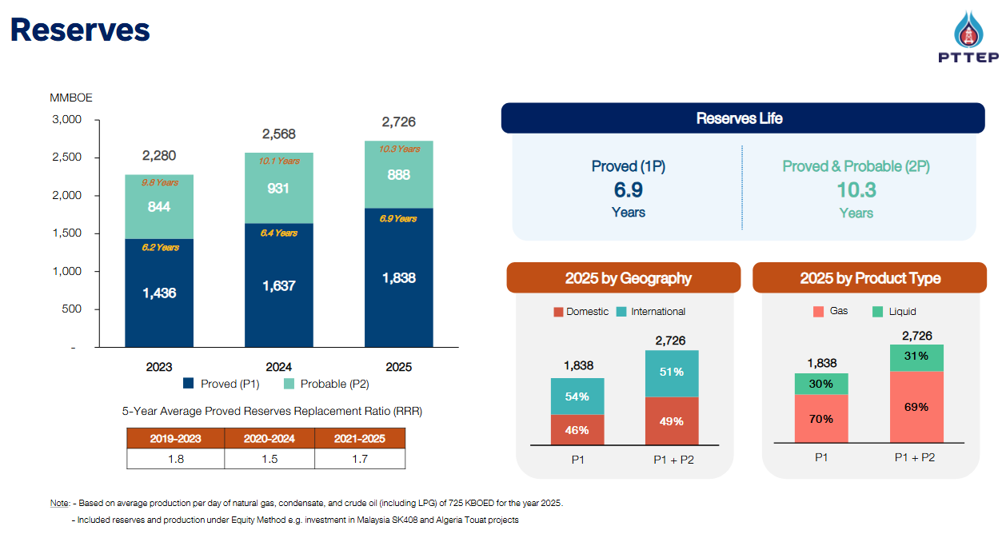
 |  |  |  |  | 2Q26

